Sheet1
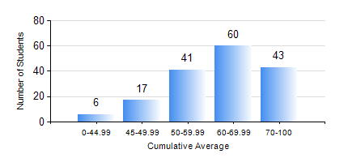
 |  |  | KWAME NKRUMAH UNIVERSITY OF SCIENCE AND TECHNOLOGY, KUMASI Department of Mechanical Engineering

 |  |  | BSC. MECHANICAL ENG.

 |  |  | COMPREHENSIVE RECORD OF EXAMINATION RESULTS

 |  |  | RESULTS OF YEAR 1 FIRST SEMESTER, 2019/2020 ACADEMIC YEAR

 | Sn | Course Code |  | Course Name | Credit Hours | Min. Mark | Max. Mark | Avg. Mark | Std. Dev. | No. Passed | No. Trailed | No. (Df) | No. (I) | No. (I*) | No. Tagged(I,I*,Df) | Total
 | 0. |  |  |  |  |  |  | 0 | 0 | 0 | 0 | 0 | 0 | 0 | 0 | 3
 | 1. | CE 155 |  | ENVIRONMENTAL STUDIES | 2 | 4 | 90 | 68 | 11.89 | 163 | 1 | 0 | 0 | 0 | 0 | 164
 | 2. | EE 151 |  | APPLIED ELECTRICITY | 3 | 20 | 90 | 54 | 13.45 | 144 | 20 | 0 | 0 | 0 | 0 | 164
 | 3. | ENGL 157 |  | COMMUNICATION SKILLS I | 2 | 40 | 79 | 58 | 8.63 | 164 | 0 | 0 | 0 | 0 | 0 | 164
 | 4. | MATH 151 |  | ALGEBRA | 4 | 34 | 96 | 66 | 13.98 | 163 | 1 | 0 | 0 | 0 | 0 | 164
 | 5. | ME 157 |  | INTRODUCTION TO INFORMATION TECHNOLOGY | 2 | 0 | 96 | 70 | 15.77 | 160 | 3 | 1 | 0 | 0 | 1 | 164
 | 6. | ME 159 |  | TECHNICAL DRAWING | 3 | 11 | 86 | 57 | 13.51 | 160 | 4 | 0 | 0 | 0 | 0 | 164
 | 7. | ME 195 |  | ENGINEERING TECHNOLOGY | 2 | 25 | 86 | 67 | 10.57 | 160 | 4 | 0 | 0 | 0 | 0 | 164

